R
Ohm's Law
V | 8.000000000 | 8 | 8.000000000 | 8 | 8.000000000 | 8 | 8.000000000 | 8 | V
R | 2.000000000 | 2 | 2.000000000 | 2 | 2.000000000 | 2 | 2.000000000 | 2 | Ω
I | 4.000000000 | 4 | 4.000000000 | 4 | 4.000000000 | 4 | 4.000000000 | 4 | A
P | 32.000000000 | 32 | 32.000000000 | 32 | 32.000000000 | 32 | 32.000000000 | 32 | W

Voltage Divider
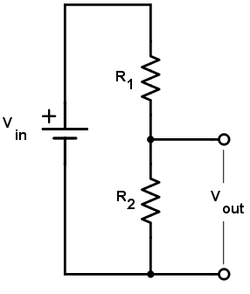
Vin | 9.000000000 | 9 | 9.000000000 | 9 | 9.000000000 | 9 | 9.000000000 | 9 | V
R1 | 3.000000000 | 3 | 3.000000000 | 3 | 3.000000000 | 3 | 3.000000000 | 3 | Ω
R2 | 6.000000000 | 6 | 6.000000000 | 6 | 6.000000000 | 6 | 6.000000000 | 6 | Ω
Vout | 6.000000000 | 6 | 6.000000000 | 6 | 6.000000000 | 6 | 6.000000000 | 6 | V
Rout | 2.000000000 | 2 | 2.000000000 | 2 | 2.000000000 | 2 | 2.000000000 | 2 | Ω
Iout max | 3.000000000 | 3 | 3.000000000 | 3 | 3.000000000 | 3 | 3.000000000 | 3 | A
Pin | 9.000000000 | 9 | 9.000000000 | 9 | 9.000000000 | 9 | 9.000000000 | 9 | W

Parallel |  |  | Σ
R1 | 1.000000000 | 1 |  |  |  |  | 1.000000000 |  | Ω
R2 | 1.000000000 | 1 | 0.500000000 | 500m |  |  | 1.000000000 |  | Ω
R3 | 1.000000000 | 1 | 0.333333333 | 333.3m |  |  | 0.500000000 |  | Ω
R4 | 1.000000000 | 1 | 0.250000000 | 250m |  |  |  |  | Ω

Voltage Divider, loaded
Vin | 9.000000000 | 9 | 9.000000000 | 9 | 9.000000000 | 9 | 9.000000000 | 9 | V
R1 | 3.000000000 | 3 | 3.000000000 | 3 | 3.000000000 | 3 | 3.000000000 | 3 | Ω
R2 | 6.000000000 | 6 | 6.000000000 | 6 | 6.000000000 | 6 | 6.000000000 | 6 | Ω
RL | 6.000000000 | 6 | 6.000000000 | 6 | 6.000000000 | 6 |  |  | Ω
R2||L | 3.000000000 | 3 | 3.000000000 | 3 | 3.000000000 | 3 | 0.000000000 |  | Ω
Vout | 4.500000000 | 4.5 | 4.500000000 | 4.5 | 4.500000000 | 4.5 | 0.000000000 |  | V
IL | 0.750000000 | 750m | 0.750000000 | 750m | 0.750000000 | 750m | 0.750000000 | 750m | A
Pin | 13.500000000 | 13.5 | 13.500000000 | 13.5 | 13.500000000 | 13.5 | 27.000000000 | 27 | W
Pout | 3.375000000 | 3.4 | 3.375000000 | 3.4 | 3.375000000 | 3.4 | 0.000000000 |  | W
Eff | 25.00% |  | 25.00% |  | 25.00% |  | 0.00%

Resistance of Wire
l | 400.000000000 | 400 | 400.000000000 | 400 |  |  |  |  | m
r | 0.000039878 | 39.9μ | 0.000039878 | 39.9μ |  |  |  |  | m
A | 0.000000005 | 5n | 0.000000005 | 5n |  |  |  |  | m2
ρ | 0.000000017 | 17.2n | 0.000000017 | 17.2n |  |  |  |  | Ωm
R | 1,380.322737700 | 1.4K | 1,380.322737700 | 1.4K |  |  |  |  | Ω

L
Inductor Impedance
f | 1.000000000 |  | Hz (rev/s)
ω | 6.283185307 |  | rad/s
T | 1.000000000 |  | s
L | 1.000000000 |  | H
Z | 6.283185307 |  | Ω

Filter
L | 0.001000000 | 1m | H
R | 100.000000000 | 100 | Ω
ω3dB | 100,000.000000000 | 100K | rad/s
f3dB | 15,915.494309190 | 15.9K | Hz (rev/s)
τ | 0.000010000 | 10μ | s

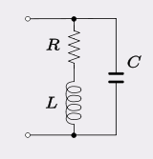
RLC Circuit
R | 4,500.000000000 | 4.5K | Ω
L | 4.000000000 | 4 | H
C | 0.000000047 | 47n | F
ω0 | 2,236.681176692 | 2.2K | rad/s
f | 355.978865391 | 356 | Hz (rev/s)
T | 0.002809156 | 2.8m | s
Q | 1.988161046 | 2
ζ | 0.243894188 | 243.9m

Inductivity of Coil
N | 1,000.000000000 | 1K | turns
ℓ | 0.010000000 | 10m | m
μ0 | 0.000000126 | 125.7n
μr | 1.000000000 | 1
r | 0.005000000 | 5m | m
A | 0.000078540 | 78.5μ | m2
L | 0.000986960 | 987μ | H

Transistor
Common Emitter Amplifier, degenerated

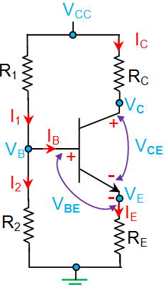
VCC | 9.000000000 | 9 | V
VBE | 0.650000000 | 650m | V
R1 | 96,000.000000000 | 96K | Ω
R2 | 27,000.000000000 | 27K | Ω
RC | 5,000.000000000 | 5K | Ω
RE | 1,000.000000000 | 1K | Ω
hFE (β) | 100 | 100

RB | 21,073.170731707 | 21.1K | Ω
VB | 1.975609756 | 2 | V
VE | 1.325609756 | 1.3 | V
IB | 0.000010859 | 10.9μ | A
IC | 0.001085914 | 1.1m | A
VC | 3.570429570 | 3.6 | V
IE | 0.001096773 | 1.1m | A
I1 | 0.000084030 | 84μ | A | VE | 1.096773
I2 | 0.000073171 | 73.2μ | A | IE | 0.001326
Re | 22.794137739 | 22.8 | Ω
AV | -4.89 |  | V
rin | 17,473.095982829 | 17.5K | Ω
rout | 5,000.000000000 | 5K | Ω

Common Collector Amplifier / Emitter Follower

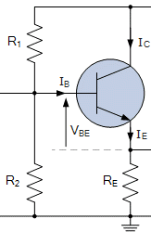
VCC | 9.000000000 | 9 | V
VBE | 0.650000000 | 650m | V
R1 | 560,000.000000000 | 560K | Ω
R2 | 820,000.000000000 | 820K | Ω
RE | 4,700.000000000 | 4.7K | Ω
hFE (β) | 350 | 350

RB | 332,753.623188406 | 332.8K | Ω
VB | 5.347826087 | 5.3 | V
VE | 4.697826087 | 4.7 | V
IB | 0.000002370 | 2.4μ | A
IC | 0.000829396 | 829.4μ | A
IE | 0.000831766 | 831.8μ | A
I1 | 0.000008891 | 8.9μ | A
I2 | 0.000006522 | 6.5μ | A
Re | 30.056540599 | 30.1 | Ω
AV | 0.99 | 993.6m | V
rin | 277,064.615301177 | 277.1K | Ω
rout | 30.056540599 | 30.1 | Ω

